Specification Form
Please amend all fields marked in green:

Legal Text
Client Name: | XZY Asset Management
Date: | YYYY-MM-DD

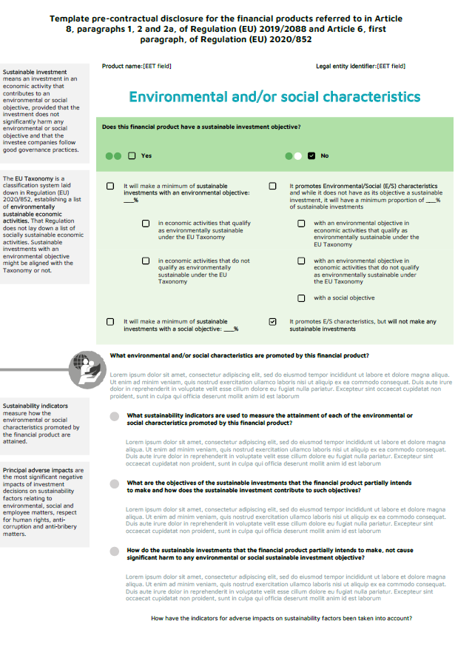
Definitions Text
Main Header
Category | Information | Preferred format / Specific need | Client input
Layout
Background of Definitions | Background color | RGB, HEX (0-0-0) | #D6D9DA
Background of Info Boxes | Background color | RGB, HEX (0-0-0) | #FFFFFF
Background of Info Boxes Dark | Background color | RGB, HEX (0-0-0) | #061A35
Info Box Dark Text
Font
Legal Text | Font family | Utf-8 compliant | Arial Narrow Bold
Background of Info Boxes Dark
Legal Text | Font size | pts | 10
Legal Text | Font color | RGB, HEX (0-0-0) | #FFFFFF
Main Header | Font family | Utf-8 compliant | Arial Narrow Bold
Main Header | Font size | pts | 14
Main Header | Font color | RGB, HEX (0-0-0) | #061A35
Main Question | Font family | Utf-8 compliant | Arial Narrow Bold
Info Box Text
Main Question | Font size | pts | 10
Main Question | Font color | RGB, HEX (0-0-0) | #000000
Sub Question | Font family | Utf-8 compliant | Arial Narrow Bold Italic
Sub Question | Font size | pts | 10
Background of Info Boxes
Sub Question | Font color | RGB, HEX (0-0-0) | #000000
SubSub Question | Font family | Utf-8 compliant | Arial Narrow Bold Italic
Background of Definitions
SubSub Question | Font size | pts | 10
SubSub Question | Font color | RGB, HEX (0-0-0) | #061A35
Info Box Text | Font family | Utf-8 compliant | Arial Narrow
Main Question
Info Box Text | Font size | pts | 9
Info Box Text | Font color | RGB, HEX (0-0-0) | #000000
Info Box Dark Text | Font family | Utf-8 compliant | Arial Narrow Bold
Info Box Dark Text | Font size | pts | 11
Sub Question
Info Box Dark Text | Font color | RGB, HEX (0-0-0) | #FFFFFF
Answer Text | Font family | Utf-8 compliant | Arial Narrow
Answer Text | Font size | pts | 9
Answer Text | Font color | RGB, HEX (0-0-0) | #000000
Definitions Text | Font family | Utf-8 compliant | Arial Narrow
Definitions Text | Font size | pts | 9
Definitions Text | Font color | RGB, HEX (0-0-0) | #000000

Answer Text

SubSub Question

